Test Result_ASSY
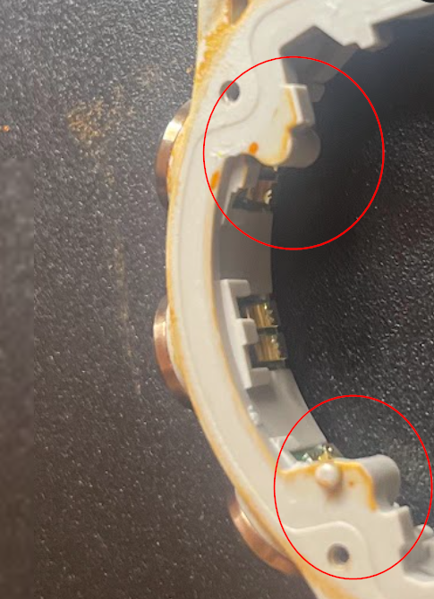
ItemName Type | Process Type | Item | ItemName | Count/Count ESN | Retest% | Comment
8837 | Airtight_table | 115 | 壓力超出規格_負壓 | 1/589 | 0.17 |  | 負壓斜率異常重測除一台高深度計沒裝擋板外，其他皆為bezel和housing間防水圈沒裝好夾到 正壓final fail 三台:1台Lens破裂 2台rear case和housing間防水圈毛屑
8837 | Airtight_table | 117 | 變形量絕對值超出規格_負壓 | 3/589 | 0.51
8837 | Airtight_table | 118 | 連續斜率異常_負壓 | 8/589 | 1.36
8837 | Airtight_table | 120 | 壓力不足_負壓 | 7/589 | 1.19
8837 | Airtight_table | 121 | 壓力超出規格_正壓 | 13/589 | 2.21
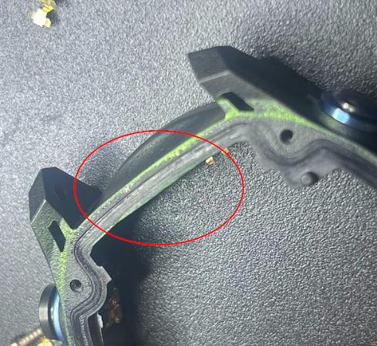
8837 | Airtight_table | 122 | 斜率絕對值超出規格_正壓 | 1/589 | 0.17
8837 | Airtight_table | 123 | 變形量絕對值超出規格_正壓 | 2/589 | 0.34
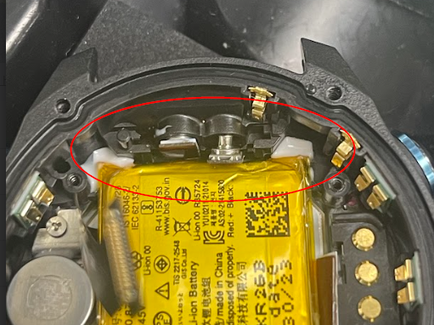
8837 | Airtight_table | 124 | 連續斜率異常_正壓 | 2/589 | 0.34
8837 | Airtight_table | 126 | 壓力不足_正壓 | 1/589 | 0.17
13995 | Fenix7_Altimeter | 2 | Position1_Val2 | 33/506 | 6.52
13995 | Fenix7_Altimeter | 3 | Position2_Val1 | 9/506 | 1.78
13995 | Fenix7_Altimeter | 4 | Position2_Val2 | 32/506 | 6.32
13995 | Fenix7_Altimeter | 5 | Position3_Val1 | 5/506 | 0.99
17522 | DescentMK3s_M_B | 211 | Check Beeper Frequency_ FFT(From DAQ) | 1/584 | 0.17
17522 | DescentMK3s_M_B | 212 | Beeper Loudness (dBSPL+A) | 3/584 | 0.51
18077 | FileCopyer_ItemNameType | 2 | Copy File | 2/592 | 0.34
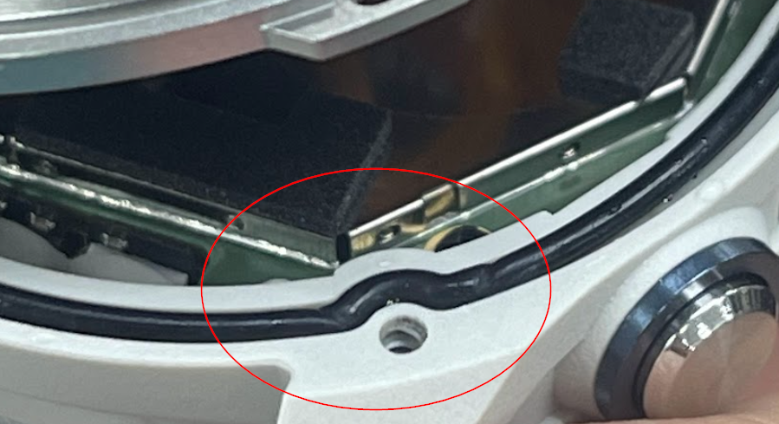
18191 | DescentMK3_CT | 10 | Is ESN check in non_recheck | 1/591 | 0.17
18191 | DescentMK3_CT | 41 | GPS_L5 | 4/591 | 0.68
18191 | DescentMK3_CT | 47 | 電池溫度|Battery Temperature non_recheck | 1/591 | 0.17
18191 | DescentMK3_CT | 50 | Check Time Zone Map | 2/591 | 0.34
18191 | DescentMK3_CT | 59 | GPS (L1+L5) | 3/591 | 0.51
18191 | DescentMK3_CT | 90 | Humidity Value | 1/591 | 0.17
18191 | DescentMK3_CT | 91 | PMIC Temperature | 1/591 | 0.17
18191 | DescentMK3_CT | 116 | GPS_ (L1 + L5) by ref (MK3s) | 21/591 | 3.55
18191 | DescentMK3_CT | 117 | GPS_L5 by ref (MK3s) | 6/591 | 1.02
18192 | DescentMK3_HT | 14 | Gyro HT 2nd 校準溫度|Gyro 2nd Calibration Temp | 1/589 | 0.17
18192 | DescentMK3_HT | 30 | Compare Baro Pressure | 1/589 | 0.17
18192 | DescentMK3_HT | 45 | RAM | 1/589 | 0.17
18192 | DescentMK3_HT | 70 | GPS_ (L1 + L5) by ref(MK3s) | 5/589 | 0.85
18192 | DescentMK3_HT | 73 | GPS_L5 by ref | 2/589 | 0.34
18195 | DescentMK3_FT1 | 9 | 電池電壓|Battery Voltage | 2/587 | 0.34
18195 | DescentMK3_FT1 | 16 | GPS (L1+L5) | 2/587 | 0.34
18195 | DescentMK3_FT1 | 23 | Manifest Event Test | 1/587 | 0.17
18195 | DescentMK3_FT1 | 57 | Barometer Pressure Accuracy | 3/587 | 0.51
18195 | DescentMK3_FT1 | 78 | GPS_L5 by ref | 5/587 | 0.85
18195 | DescentMK3_FT1 | 145 | Is ESN check in non_recheck | 1/587 | 0.17
18195 | DescentMK3_FT1 | 149 | Glonass_65 | 3/587 | 0.51
18195 | DescentMK3_FT1 | 174 | (Compare Temperature) Depth - PMIC | 3/587 | 0.51
18195 | DescentMK3_FT1 | 199 | GPS_ (L1 + L5) by ref(MK3s) | 60/587 | 10.22
18199 | DescentMK3_Baro | 7 | 1 ATM diff with golden | 3/582 | 0.52
18199 | DescentMK3_Baro | 11 | 0.5 ATM diff with golden | 24/582 | 4.12
18199 | DescentMK3_Baro | 14 | Is ESN check in | 1/582 | 0.17
18199 | DescentMK3_Baro | 49 | (Felica SPC)NFC IOP from txt | 2/582 | 0.34
18199 | DescentMK3_Baro | 50 | (Felica SPC)Check Console Data Prefix | 3/582 | 0.52
18200 | DescentMK3_Compass | 4 | Is ESN check in | 6/582 | 1.03
18200 | DescentMK3_Compass | 5 | [Compass]Vector Error | 1/582 | 0.17
18200 | DescentMK3_Compass | 13 | Compute Unit Pitch and Roll | 16/582 | 2.75
18200 | DescentMK3_Compass | 14 | Check Unit Pitch on 45 degree | 2/582 | 0.34
18200 | DescentMK3_Compass | 33 | (Compare UUT with ITMXP) Gain 21 | 1/582 | 0.17
18200 | DescentMK3_Compass | 36 | 電池電壓|Battery Voltage | 9/582 | 1.55
18200 | DescentMK3_Compass | 37 | Check Unit Roll on 0 degree | 40/582 | 6.87
18200 | DescentMK3_Compass | 45 | (Calculated by ITMXP) Gain 01 | 1/582 | 0.17
18200 | DescentMK3_Compass | 47 | (Calculated by ITMXP) Gain 10 | 1/582 | 0.17
18201 | DescentMK3_GSensor | 5 | VersionCheck | 1/582 | 0.17
18201 | DescentMK3_GSensor | 10 | Y max | 2/582 | 0.34
18201 | DescentMK3_GSensor | 36 | Is ESN check in | 2/582 | 0.34
18202 | DescentMK3_Gyro | 13 | Gyro Data X軸檢查 (CW #1) | 4/589 | 0.68
18202 | DescentMK3_Gyro | 31 | Gyro 2nd 校準溫度|Gyro 2nd Calibration Temp | 2/589 | 0.34
18202 | DescentMK3_Gyro | 39 | Check G-sensor Test Data | 1/589 | 0.17
18202 | DescentMK3_Gyro | 40 | Check M-sensor Test Data | 6/589 | 1.02
18202 | DescentMK3_Gyro | 41 | Check Baro Test Data | 8/589 | 1.36
18202 | DescentMK3_Gyro | 44 | Is ESN check in | 1/589 | 0.17
18202 | DescentMK3_Gyro | 50 | Gyro HT 1st 校準溫度|Gyro 1st Calibration Temp | 2/589 | 0.34
18203 | DescentMK3_FT2 | 23 | (FSP) ADC Response (20mA) LED1A_PD1 AVG | 1/585 | 0.17
18203 | DescentMK3_FT2 | 27 | BLE LESC Pairing Test | 2/585 | 0.34
18203 | DescentMK3_FT2 | 32 | ANT Power Sensitivity | 16/585 | 2.74
18203 | DescentMK3_FT2 | 45 | 與 AP 連線|(WiFi) Access AP | 2/585 | 0.34
18203 | DescentMK3_FT2 | 47 | 檔案下載測試|(WiFi) Download Test | 1/585 | 0.17
18203 | DescentMK3_FT2 | 49 | ANT Radiated TX Power(MK3s) | 3/585 | 0.51
18203 | DescentMK3_FT2 | 62 | VEXT BL=16% D-OVSS OFF-ON Current (MK3s) | 7/585 | 1.2
18203 | DescentMK3_FT2 | 67 | Is ESN check in | 2/585 | 0.34
18203 | DescentMK3_FT2 | 70 | (FSP) ADC Response (20mA) LED1A_PD2 AVG | 1/585 | 0.17
18203 | DescentMK3_FT2 | 179 | ALS Calibration Voltage | 1/585 | 0.17
18203 | DescentMK3_FT2 | 211 | ALS Luminance (WLED ON) (MK3s) | 6/585 | 1.03
18203 | DescentMK3_FT2 | 221 | ALS Luminance (WLED ON/After Calibration) | 1/585 | 0.17
18205 | DescentMK3_RTESN | 2 | Check PID | 2/595 | 0.34
18205 | DescentMK3_RTESN | 7 | NFC Initialization | 6/595 | 1.01
18205 | DescentMK3_RTESN | 9 | NFC Antenna Self-test Tx Current(MK3s) | 1/595 | 0.17
18205 | DescentMK3_RTESN | 42 | M-Sensor BIST Overall | 12/595 | 2.02
18205 | DescentMK3_RTESN | 43 | 機台振動異音測試|Motor Test | 1/595 | 0.17
18205 | DescentMK3_RTESN | 54 | GPS (L1+L5) | 17/595 | 2.86
18205 | DescentMK3_RTESN | 88 | ALS Luminance (WLED ON) | 13/595 | 2.18
18205 | DescentMK3_RTESN | 107 | 陶瓷聲納| Sonar Receiver_RSSI | 1/595 | 0.17
18205 | DescentMK3_RTESN | 110 | Touch Panel BIST | 2/595 | 0.34
18205 | DescentMK3_RTESN | 111 | ALT Baro Raw (BIST Average) | 2/595 | 0.34
18205 | DescentMK3_RTESN | 113 | Humidity Temperature | 3/595 | 0.5
18205 | DescentMK3_RTESN | 121 | M-Sensor BIST X | 3/595 | 0.5
18205 | DescentMK3_RTESN | 122 | Check Raw X | 2/595 | 0.34
18208 | DescentMK3_IND_Button | 9 | After CAL_Power按鍵測試 - MAX Value|After CAL_Power Key Test - MAX Value | 2/591 | 0.34
18208 | DescentMK3_IND_Button | 17 | (Equipment) RS232 Connection|設備連線 | 1/591 | 0.17
18208 | DescentMK3_IND_Button | 18 | (Equipment) Check PC Mode | 1/591 | 0.17
18208 | DescentMK3_IND_Button | 39 | UP按鍵測試 - MAX Value|UP Key Test - MAX Value | 1/591 | 0.17
18213 | DescentMK3_FT_Underwater_Sonar | 15 | HOME | 1/355 | 0.28
18213 | DescentMK3_FT_Underwater_Sonar | 18 | Sonar Tx Pulse IOP(MK3si) | 1/355 | 0.28
18213 | DescentMK3_FT_Underwater_Sonar | 19 | 電池電壓|Battery Voltage | 6/355 | 1.69
18213 | DescentMK3_FT_Underwater_Sonar | 36 | Sonar TX RMS Average(MK3si) | 9/355 | 2.54
18213 | DescentMK3_FT_Underwater_Sonar | 39 | Sonar TX 40K - 0 degree RMS | 2/355 | 0.56
18213 | DescentMK3_FT_Underwater_Sonar | 46 | Sonar TX 40K - 45 degree RMS | 1/355 | 0.28
18213 | DescentMK3_FT_Underwater_Sonar | 60 | Sonar TX 40K - 135 degree RMS | 2/355 | 0.56
18213 | DescentMK3_FT_Underwater_Sonar | 63 | Sonar TX 40K - 135 degree RMS | 1/355 | 0.28
18213 | DescentMK3_FT_Underwater_Sonar | 74 | Sonar TX 40K - 225 degree RMS | 7/355 | 1.97
18213 | DescentMK3_FT_Underwater_Sonar | 88 | Sonar TX 40K -315 degree RMS | 3/355 | 0.85
18213 | DescentMK3_FT_Underwater_Sonar | 90 | Sonar TX 40K -315 degree RMS | 2/355 | 0.56
18576 | Descent_Dive_Profile_20Bar | 16 | 濕度差 | 1/573 | 0.17
18781 | HRM_lensLifted_Unit | 3 | 確認通訊1|Connection check | 11/501 | 2.2
19143 | Edge1050_ProdScan_Pack | 4 | Check Product | 4/4 | 100
19579 | DescentMK3_ProdScan_Pack | 7 | 3D Fix | 2/184 | 1.09
19579 | DescentMK3_ProdScan_Pack | 8 | Position Check | 1/184 | 0.54
19579 | DescentMK3_ProdScan_Pack | 12 | BT MAC | 9/184 | 4.89
19579 | DescentMK3_ProdScan_Pack | 33 | RGN version range check | 11/184 | 5.98
19579 | DescentMK3_ProdScan_Pack | 35 | Is ESN check in | 1/184 | 0.54
19579 | DescentMK3_ProdScan_Pack | 50 | Download manifest from DUT | 1/184 | 0.54
19579 | DescentMK3_ProdScan_Pack | 52 | Manifest Check | 8/184 | 4.35
19579 | DescentMK3_ProdScan_Pack | 70 | 檢查各測試站Pass紀錄|Check Pass record in each test stations | 29/184 | 15.76
19579 | DescentMK3_ProdScan_Pack | 77 | USB重新連線|USB Reconnection Comm 0 | 2/184 | 1.09
19579 | DescentMK3_ProdScan_Pack | 78 | 檢查ESN與SN並把Pack資料寫入資料庫|Check ESN and SN, and writing Pack record to DB | 9/184 | 4.89
19579 | DescentMK3_ProdScan_Pack | 80 | OUTTESTMODE | 5/184 | 2.72
19878 | DescentMK3_EasyCardBundle | 9 | Balance check via reader | 1/6 | 16.67
19879 | DescentMK3_EasyCardPerso | 35 | Check CID | 1/13 | 7.69
19879 | DescentMK3_EasyCardPerso | 36 | Send Script : Reset – Clear | 2/13 | 15.38
19879 | DescentMK3_EasyCardPerso | 54 | Check perso flow status | 3/13 | 23.08
19879 | DescentMK3_EasyCardPerso | 55 | Get PID from mapping file | 3/13 | 23.08
20405 | DescentMK3_DeleteBundle | 4 | Check CID | 1/4 | 25
20553 | RabbitCard_Perso_TestEnv_SN220T | 13 | Check CID | 2/1 | 200
20553 | RabbitCard_Perso_TestEnv_SN220T | 28 | BSS Perso Card | 1/1 | 100
20553 | RabbitCard_Perso_TestEnv_SN220T | 49 | RabbitCard Send Script : CreateManagers | 2/1 | 200

